Schematic
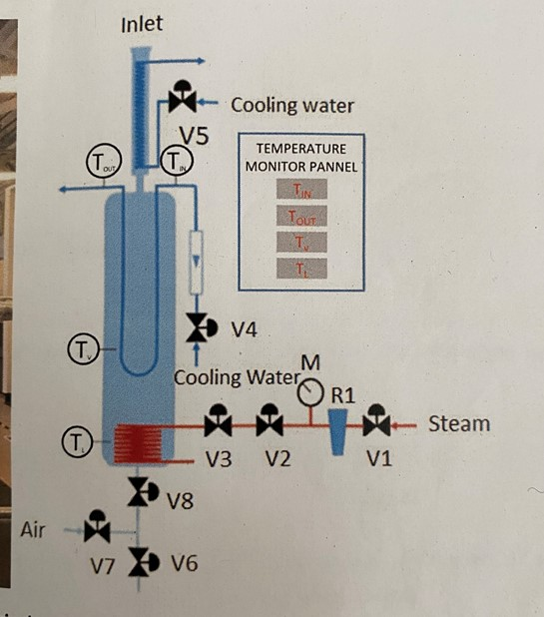

Component | Description | Proposed control
V1 | Steam master on/off. | Technician controlled
R1 | Pressure regulator used to control steam volume to working fluid. | Technician controlled
M | Steam pressure gauge | Add pressure sensor - Gems?
V2 | Not used-always fully on. | NA
V3 | Used to throttle the steam to working fluid-adjusted by watching condensation on secondary condesnding coils (2-3 coils). | replace with Burkert motorised needle valve if necessary, ideally "set and forget"
V4 | Needle valve integrated on flow meter - used to control cooling on primary condensor. | leave fully open, add Enfield valve inline to control water flow, add RS digital flowmeter
V5 | Fully open - cooling unit turned on or off only. | Technician controlled, perhaps remote controll on chiller unit
V6 | Used to drain working fluid in conjunction with V8. | Technician controlled
V7 | Used to dry rig between working fluid changes in conjunction with V8. | Technician controlled
V8 | Used with V6 and V7 above. | Technician controlled

TIN | Primary condensor inlet water temp. | Tap into thermocouple signal
TOUT | Primary condensor outlet water temp. | Tap into thermocouple signal
TV | Primary condensor environment temperature | Tap into thermocouple signal
TL | Working fluid temperature | Tap into thermocouple signal

